Overview
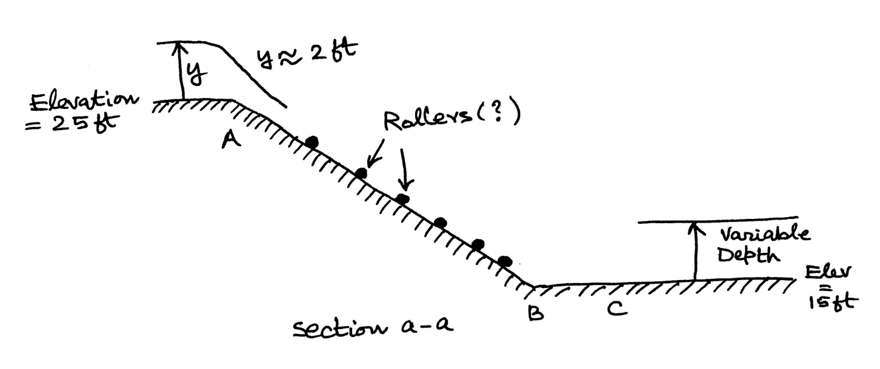
Summary of Waterslide
 |  | Units
Wier (1) | 3 | ft
Critical Yc | 2.39 | ft
Normal Y | 1.21 | ft
Y1 | 1.25 | ft
Y2 | 1.55 | ft
Y3 | 3.503 | ft
Y4 | 3.05 | ft
Y5 | 3.54 | ft
EGL at Yc | 3.59 | ft
EGL at Y1 | 5.64 | ft
EGL at Y3 | 4.405 | ft
EGL at Y4 | 3.76 | ft
EGL at Y5 | 3.76 | ft
Wier (2) | 1 | ft
Elevation A | 25 | ft
Elevation B | 15 | ft
Elevation C | 15 | ft
b | 12 | ft
Q | 252.22 | cfs
n | 0.014
S0 (Steep) | 0.13
S0 (flat) | 0
b2 (Unloading) | 60 | Ft

